2. Description of the change
Example
PRODUCT AND PROCESS CHANGE REQUEST (CR) |  |  | EXAMPLE

2. Description of the change |  |  | 2. Description of the change

GENERAL COMPARISON |  |  | GENERAL COMPARISON

 | BEFORE | AFTER |  | BEFORE | AFTER
DESCRIPTION |  |  | DESCRIPTION | DESIGN B RECTANGULAR ORDER NUMBER 43 1830 076 03 CABLE SCREWED | DESIGN A SERIES 120 ORDER NUMBER 31 5234 500 000 MOLDED CABLE
DATASHEET |  |  | DATASHEET
PHOTOS |  |  | PHOTOS | 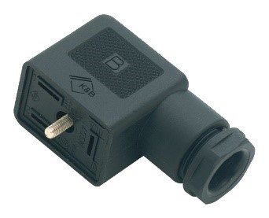 | 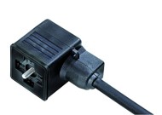
DIMENSIONS |  |  | DIMENSIONS | 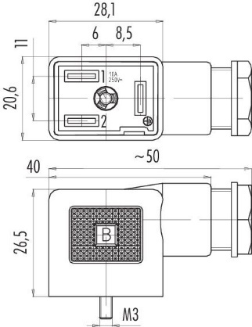 | 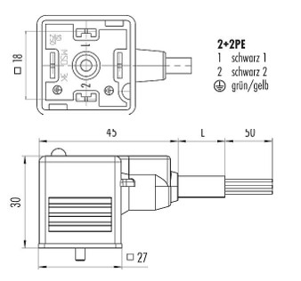
PROCESS |  |  | PROCESS | SCREWED CABLE | MOLDED CABLE

DETAILED COMPARISON OF THE DIFFERENCES |  |  | DETAILED COMPARISON OF THE DIFFERENCES

GENERAL FEATURES |  |  | GENERAL FEATURES
 | - | - | CONNECTOR DESIGN | FEMALE CONNECTOR FOR PANEL MOUNTING | MAGNETIC VALVE SOCKET
 | - | - | NORM | - | DIN EN 175301-803
 | - | - | CABLE LENGTH | - | Standard 2m and 5 m. Further lengths are possible upon request
 | - | - | CONNECTION TYPE | CABLE SCREWED | MOLDED CABLE
 | - | - | PROTECTION | IP40 WITHOUT SEAL | IP67
 | - | - | CABLE CROSS-SECTION | 0.34-1.50 mm2 | 0.75 mm2
 | - | - | CABLE OUTPUT | 6.0-8.0 mm | -
 | - | - | TEMPERATURE RANGE FROM/TO | -25°C / 120 °C | -25°C / 80 °C
 | - | - | WEIGH (gr) | 19 | 305
 | - | - | ADDITIONAL INFO | WITH SOLDERED TERMINALS | -
 | - | - | ELECTRICAL PARAMETERS
 | - | - | RATED VOLTAGE | 250 V | 230 V
ELECTRICAL PARAMETERS |  |  | INSULATION RESISTENCE | - | ≥ 10¹⁰ Ω
 | - | - | INSULATING MATERIAL GROUP | III | I
 | - | - | MATERIAL PARAMETERS
 | - | - | HOUSING MATERIAL | - | PBT
 | - | - | CONTACT BODY MATERIAL | PA (UL94HB) | PA
 | - | - | CONTACT MATERIAL | CuSn(brz) | CuSn(bronze)
 | - | - | CONTACT SURFACE | Ni(nickel) | Sn(tin)
MATERIAL PARAMETERS |  |  | REACH SVHC | CAS 7439-92-1 (Lead) | None (no pollutants)
 | - | - | CLASSIFICATIONS
 | - | - | ETIM | ETIM 7.0 EC001855 | ETIM 9.0 EC002638
 | - | - | CE DECLARATIONS OF CONFORMITY
 | - | - | LOW VOLTAGE DIRECTIVE | - | 2014/35/EU (EN 60204-1:2018;EN 60529:1991)
 | - | - | RoHS DIRECTIVE | - | 2011/65/EU (EN 50581:2012)
 | - | - | CABLE PARAMETERS
CLASSIFICATIONS |  |  | CABLE DIAMETER | - | 6.0 mm
 | - | - | COVERAGE MATERIAL | - | PUR
 | - | - | STRUCTURE | - | 3 * 0.75 mm
 | - | - | COLOUR | - | BLACK
 | - | - | HALOGEN FREE | - | YES
 | - | -
 | - | -
CE DECLARATIONS OF CONFORMITY
 | - | -
 | - | -
 | - | -
 | - | -
 |  | -
CABLE PARAMETERS
 | - | -
 | - | -
 | - | -
 | - | -
 | - | -
 | - | -
XXXXXXXXXXXX
 | - | -
 | - | -
 | - | -
 | - | -
 | - | -
 | - | -

